S&P 100 Map
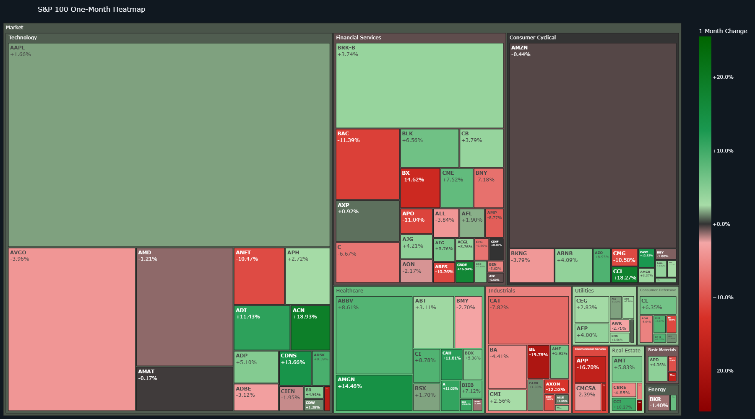
S&P 100 Map
Open interactive dashboard

Dividend Map
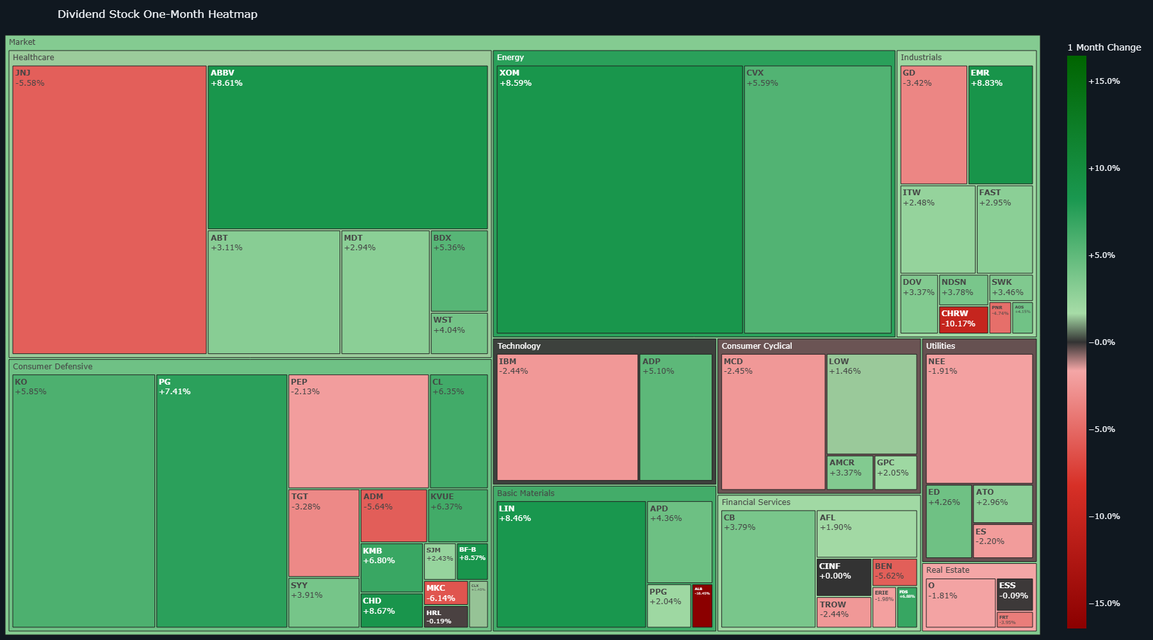
Dividend Map
Open interactive dashboard

ETF Map
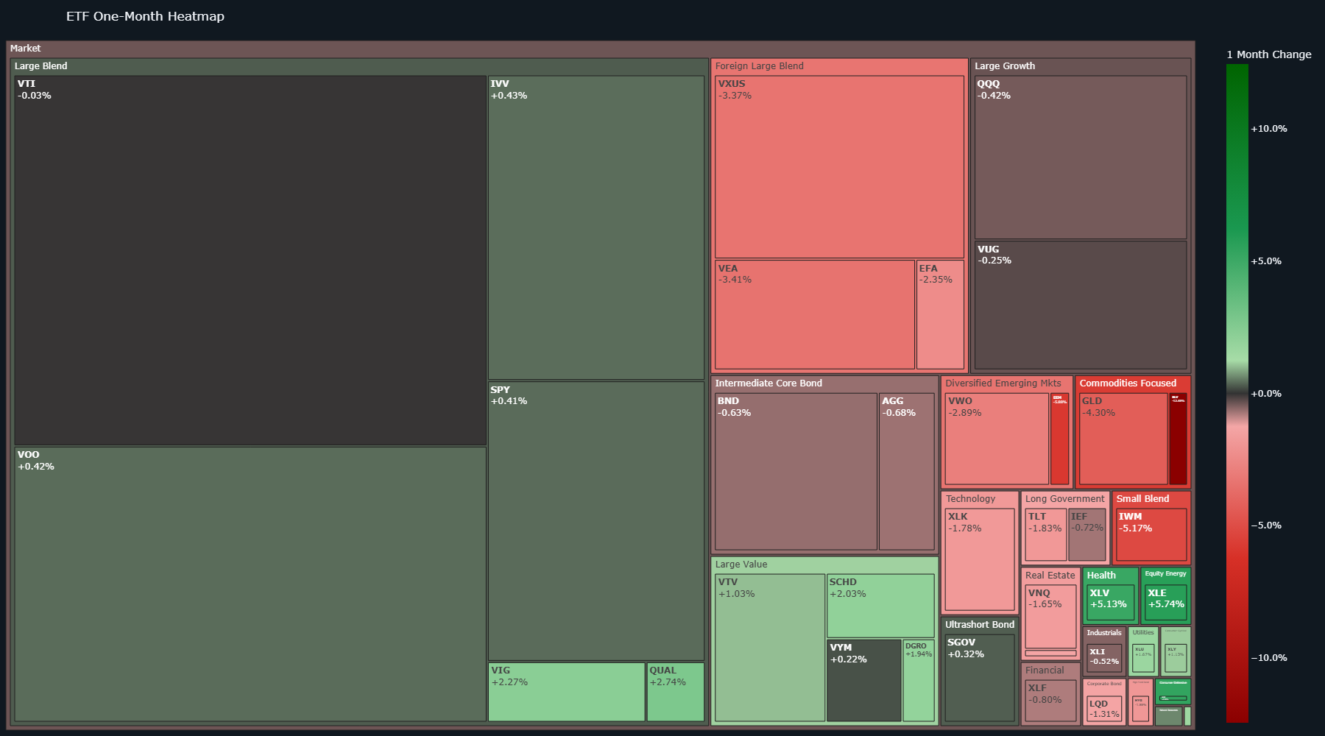
ETF Map
Open interactive dashboard

Sector Map
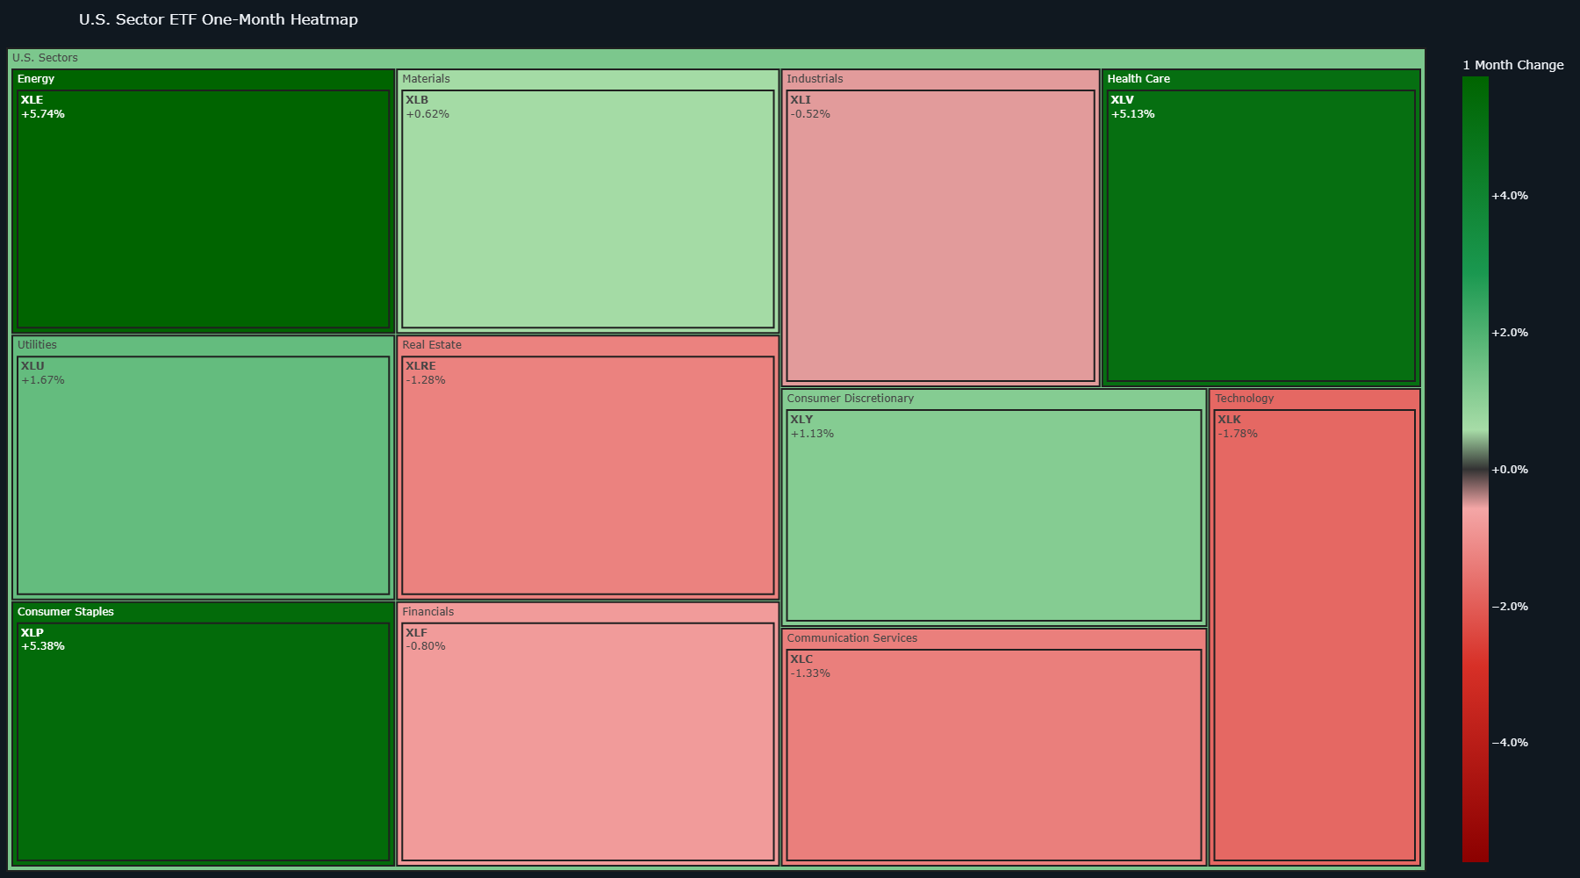
Sector Map
Open interactive dashboard

